Sheet1
 |  | Team
 |  | Team Coach
 |  | Team Contact
 |  | Contact Phone
 |  | Contact E-Mail

 | $25 ADIDAS ENTRADA 18 PREGAME SHIRT | 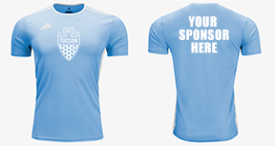 | UNISEX SIZING (NO WOMENS SIZES)
1 |  |  |  | YXS | YS | YM | YL | S | M | L | XL | XXL
7
 |  |  |  |  |  |  |  |  |  |  |  | 0
 |  |  |  |  |  |  |  |  |  |  |  | $0.00
 |  |  |  |  |  |  | ORDER TOTAL INCLUDING 8.7% TAX |  |  |  |  | $0.00
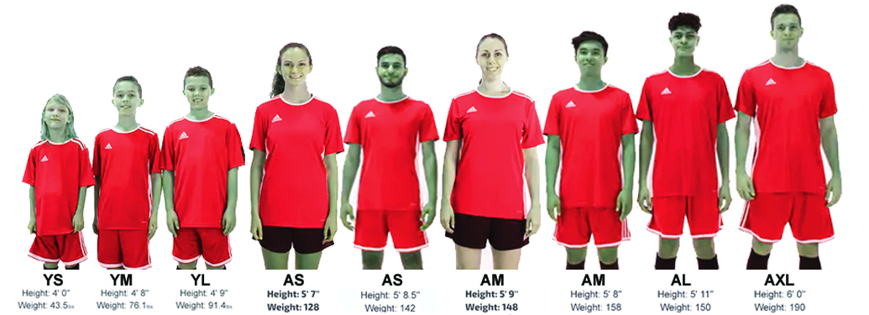

 | PLEASE PROVIDE LOGOS AS CAMERA READY ART WORK. eps OR ai. FORMATS REQUIRED. A SET UP CHARGE OF $35 PER LOGO MAY APPLY IF NOT SENT OVER IN A SUPPORTED WORKING VECTOR FORMAT. FOR MORE INFO CONTACT DUSTYN AT The Shop TEAM DIVISION at 520.571.7510 or EMAIL: art@theshoptucson.com

 | LIST SPONSOR NAMES BELOW:
 | 1
 | 2
 | 3
 | 4
 | 5
 | 6
 | 7
 | 8

